START F125SE
BIKE CODE FOR ORDERS: 23-START-125SE-STD |  | 2023-01-01 | BIKE DESCRIPTION NAME: START F125SE 2023
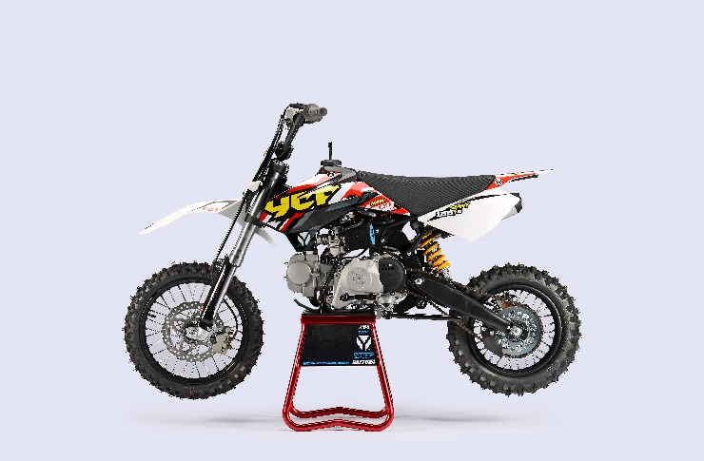 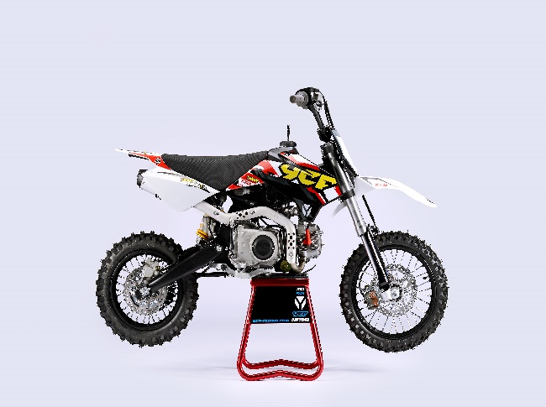

Handle bar assembly
50A = YCF50A
50E = YCF50E
W88E = START W88E
L88 = LITE88 L125 = LITE125
S88S = START F88S
S125S = START F125S
S125SE = START F125SE
S125 = STARTF125
P88 = PILOT 88
P125 = PILOT 125
P150 = PILOT 150
SM125 = START SM125S
SM150 = PILOT SM 150
SP1 = FACTORY SP1
SP2 = FACTORY SP2
SP3 = FACTORY SP3
B125 = BIGY 125MX
B150 = BIGY 150MX
BF150 = BIGY F150MX
BFD190 = BIGY FD190 MX
BFZ190 = BIGY ZE190 MX
S147 = SUNDAY 150
S187 = SUNDAY 190
N° | Ref. | Description | Français | Picture | Qty/Bike | Model
1 | YC110-0101 | Handle Bar chromoly L=740mm d=22.2mm START,embossed, black | Guidon chromoly L=740mm d=22.2mm START,Stries,Noir |  | 1 | W88E21/S88SE21/L8821/L12521/S125SE21/S12521/P12521/P15021/SM12521
31 | YC110-0132 | Complete Bar Pad for Chromolly Handlebar L=250mm BLACK | Mousse guidon complete pour guidon Chromolly L=250mm NOIR |  | 1 | W88E1821/S88SE1820/L881820/L1251820/S12521/S125S1819/S125SE1820/P1251821/P1501820/SM1251820/B1251820/B1501820
 | YC110-0153-01 | Handle bar plastic cap,Nylon,Black | Embout plastique de guidon,nylon,noir |  | 1 | ALL BIKES 2120
 | YC110-0138 -04 | YCF complete Throttle Assy. 2020 with YCF grip + Screw 2020 | Poignee gaz reglable complete YCF 2020 avec Paire de poignée caoutchouc YCF GRISE 2020 + vis reglage |  | 1 | 50A20/S88SE21/L8821/L12521/S12521/S125SE21/P12521/P15021/SM12521/B12520/B15020
24 | GB819-M4x12 | Countersunk cross head machine screw,stainless steel, M4x12mm | Vis à tête fraisée plate cruciforme,Acier inoxydable, M4x12mm |  | 1 | ALL BIKES 1221
25 | GB819-M4x20 | Countersunk cross head machine screw,stainless steel, M4x20mm | Vis à tête fraisée plate cruciforme,Acier inoxydable, M4x20mm |  | 1 | ALL BIKES 1221
26 | GB70-M6x25 | HEXAGON SOCKET Head Bolt M6x25mm | Vis Allen (BTR) M6x25mm |  | 2 | ALL BIKES 1221
 | YC110-01022-06 | Complete SCREW FOR THROTTLE ADJUSTMENT, SIZE M5X50 | VIS M5X50 POUR RÉGLAGE DE LA POIGNÉE DE GAZ complete |  | 1 | 50A20/S88SE21/L8821/L12521/S12521/S125SE21/P12521/P15021/SM12521/B12520/B15020
33 | PPC011-GY | YCF set of grip GREY 2020 | Paire de poignée caoutchouc YCF GRISE 2020 |  | 1 | ALL BIKES 21
12 | YC110-0105-15 | Kill Switch ON/OFF L=580mm Waterproof | Coupe circuit on off L=580mm ETANCHE |  | 1 | ALL BIKES 1221
13 | YC110-0106 | Throttle Cable L=840mm A+B=120mm(FOR NIBBI PE19) | Cable gaz L=840mm A+B=120mm(POUR NIBBI PE19) |  | 1 | L12521/S125S1319/S12521/S125SE1521/P1251321/P1501220/SM1251321/SM1501321/SP11217/SP21220/B1251719/B1501719/BF1501719/BFD1901719/BFZ1901819/S1471821/S1871821
 | YC110-0143-01 | Rubber on trottle cable | Protection caoutchouc cable de gas |  | 1 | ALL BIKES 1720
20 | YC110-01-03-BK | Cable tie,nylon, L=150mm BLACK | collier maintien cable, nylon, L=150mm NOIR |  | 3 | ALL BIKES
39 | YC110-0139-03 | Start switch Waterproof L=500mm | Bouton demareur ETANCHE L=500mm |  | 1 | 50A22/S88SE1720/S125SE1720/BFZ2201822

Steering stem assembly

N° | Ref. | Description | Français | Picture | Qty/Bike | Model
25 | YC110-02-053-BK | Complete Triple Clamp (TOPd45mm / BOTTOM d48mm) adjustable bar mount L=160mm 2020 BLACK | Te Fourche Complet (TE SUPd45mm / TE INF d48mm) pontet ajustable L=160mm 2020 NOIR |  | 1 | W88E21/S88SE21/S12521/S125SE21/SM12521/SM15021/SP220/B12520/B15020/BF15020/BFZ19020
1 | YC110-0201-03 | Steering stem L=233mm | tige colonne direction L=233mm |  | 1 | S12521/S125S1119/S125SE1521/P1251120/P1501120/SM1251221/SM1501321/SP11317/SP21321/SP31321/B1251721/B1501721/BFD1901721/BFZ1901820/S1471821/S1871821
2 | YC110-0202-56-BK | Lower triple clamp L=160mm d48mm H=28mm 2020 MATT BLACK | té fourche inferieur L=160mm d48mm H=28mm 2020 NOIR MAT |  | 1 | W88E21/S88SE21/S12521/S125SE21/SM12521/SM15021/SP220/B12520/B15020/BFZ19020
3 | YC110-0201-56-BK | Top Triple Clamp L=160mm d45mm H=28mm 2022 MATT BLACK, 3 ADJUSTEBLE POSITIONS | té fourche supérieur L=160mm d45mm H=28mm 2022 NOIR MAT, REGLAGE 3 POSITIONS |  | 1 | W88E21/S88SE21/S12521/S125SE21/SM12521/SM15021/SP221/B12521/B15021/BF15020/BFZ19020
26 | YC110-0203-035 | Set of Bar mount d22.2mm/bottom 55mm START Type BLACK （with GB70-M10x50x1.5W 2EA+BT08-M8x30-W 4EA） | jeu pontet guidon d 22.2mm / pontet bas 55mm Type START NOIR （with GB70-M10x50x1.5W 2EA+BT08-M8x30-W 4EA） |  | 1 | W88E21/S88SE21/L8821/L12521/S12521/S125SE21/P12521/P15021/SM12521/SM15021/SP220/B12520/B15020/BIGYF190ZE20
4 | YC110-0203-32 | 2020 Lower Bar Mount CNC START type, not adjustable d22.2mm H=55mm BLACK | Pontet guidon inférieur type START d22.2mm H=55 mm NOIR 2020 |  | 2 | W88E21/L8821/S88SE21/L12521/S12521/S125SE21/P12521/P15021/SM12521/SM15021/SP220/B12520/B15020/BFZ19020
5 | YC110-0201-02 | 2020 Top Bar Mout CNC d22.2 mm H=18mm START Type BLACK | pontet guidon supérieur 2020 d22.2mm H=18mm Type START NOIR |  | 2 | W88E21/L8821/S88SE21/L12521/S12521/S125SE21/P12521/P15021/SM12521/SM15021/SP220/B12520/B15020/BFZ19020
15 | BT08-M6x25-W | HEXAGON Torx screw with Flange M6x25mm | Vis HEXAGONALE Torx avec Flange M6x25mm |  | 8 | ALL BIKES 21
16 | BT08-M8x30-W | HEXAGON Torx screw with Flange M8x30mm | Vis HEXAGONALE Torx avec Flange M8x30mm |  | 4 | W88E21/S88SE21/L8821/L12521/S12521/S125SE21/P12521/P15021/SM12521/SM15021/SP220/SP320/B12520/B15020/BFD19020/BFZ19020
14 | GB70-M10x50x1.5W | HEXAGON SOCKET Head Bolt M10x50mmx1.5mm | Vis Allen (BTR) M10x50mmx1.5mm |  | 2 | W88E21/S88SE21/L8821/L12521/S12521/S125SE21/P12521/P15021/SM12521/SM15021/SP220/B12520/B15020/BFZ19020
6 | YC110-0212-07-BK | Front Number Plate complete 2014 BLACK | PLAQUE AVANT complete 2014 NOIR |  | 1 | W88E21/S88SE21/L8821/L1251720/S12521/S125S1421/S125SE1420/P1251421/P1501421/SM125s1420/SM1501420/SP11417/SP21420/SP31421
19 | GB97-d4-W | flat washer d4mm for Break Line Retainer front No plate | rondelle d4mm pour guide durite plaque No avant |  | 1 | ALL BIKES 1222
20 | GB818-M4x10-W | Plus screw M4x10mm for Break Line Retainer front No plate | vis M4x10mm pour guide durite plaque No avant |  | 1 | ALL BIKES 1222
20 | BT08-M6x12-W | HEXAGON Torx screw with Flange M6x12mm | Vis HEXAGONALE Torx avec Flange M6x12mm |  | 1 | ALL BIKES 21
 | GB97-d6-W | Flat washer d6mm | Rondelle plate d6mm |  | 1 | ALL BIKES2020
27 | KRDIRECTION46 | set of bearing for steering 46/23.5、46/22 | Kit rlt colonne direction 46/23.5、46/22 |  | 2 | 50A20/50E20/W88E21/S88SE21/L8821/L12521/125S1519/S125SE1521/P1251321/P1501321/SM1251321/SM1501321/SP11117/SP21220/SP31220/B1251721/B1501721/BF1501720/BFD1901721/BFZ1901721/S1471821/S1871821
9 | YC110-02-09 | Top nut for steering d54.5mm | écrou crantellé colonne direction d54.5mm |  | 1 | ALL BIKES 1221
10 | YC110-02-10 | Washer for steering stem nut d22mmxd37mmx0.7mm | joint colonne direction d22mmxd37mmx0.7mm |  | 2 | ALL BIKES 1221
11 | YC110-02-11 | Nut for steering stem M22 | écrou supérieur colnne direction M22 |  | 1 | ALL BIKES 1221
13 | YC110-0214-01-WH | Complete Break Line Retainer White（with GB9074.5-M4x10-W 1EA ） | guide durite avec vis sur plaque avant complet Blanc |  | 1 | 50A20/50E20/W88E21/S88SE21/L8821/L1251621/S125SE1521/P1251421/P1501421/SM1251420/SM1501420/SP11417/SP21420/SP31421/B1251721/B1501721/BF1501719/BFD1901721/BFZ1901721
 | YC110-0213-10 | Front plastic plate to hold cables 75mmx100mm | Plaque avant plastique maintien cables 75mmx100mm |  | 1 | ALL BIKES 21
30 | YC110-0213-08 | Number plate bracket | support plaque avant |  | 1 | S1251420/S125SE1521/P1251421/P1501421/SM1251621/SM1501620/SP11617/SP21620/SP31620/B1251721/B1501721/BF1501719/BFD190ZE1720/BIGYF190D1720
31 | GBT5787-M6x16-6 | Hex. Bolt with flanged M6x16mm (offset 6mm) | vis M6x16mm (deport 6mm) |  | 1 | ALL BIKES 1620
 | YC110-01-08-BK | Cable tie, PA66 L=80mm ADJUSTABLE BLACK | Collier maintien cable,PA66 L=80mm AJUSTABLE NOIR |  | 2 | ALL BIKES 21
 | YC110-02-20 | Washer for steering stem nut | joint colonne direction |  | 1 | S1251420/S125S1419/S125SE1420/P1251421/P1501421/SM1251420/SM1501420/SP11417/SP21420/SP31421/B1251721/B1501721/BF1501721/BFD1901721/BFZ1901821/S1471821/S1871821/S88SE21

Front Fender

N° | Ref. | Description | Français | Picture | Qty/Bike | Model
1 | YC110-032-02-WH | YCF Front Fender 2020 (Short) WHITE | GARDE BOUE AVANT 2020 Court BLANC |  | 1 | W88E21/S88SE21/L12521/S125SE21/S12521/P12521/P15021/SM12521/SM15021/SP220/SP320
2 | GBT5787-M6x16-6 | Hex. Bolt with flanged M6x16mm (offset 6mm) | vis M6x16mm (deport 6mm) |  | 3 | 50A20/50E20/W88E1821/S88SE1820/L8821/L12521/S12521/S125SE1820/P1251821/P1501820/SM1251820/SM1501821/SP21820/SP31820/B1251820/B1501820/BF1501719/BFD19017820/BFZ1901820
 | GBT5787-M6x16-3 | HEXAGON screw with Flange with half thread M6x16mmx3mm | Vis HEXAGONALE avec Flange et deport M6x16mmx3mm |  | 2 | 50A20/50E20/W88E1821/S88SE1820/L8821/L12521/S12521/S125SE1820/P1251821/P1501820/SM1251820/SM1501821/SP21820/SP31820/B1251820/B1501820/BF1501719/BFD19017820/BFZ1901820

Front & Rear absorber

N° | Ref. | Description | Français | Picture | Qty/Bike | Model
24 | YC110-0400-41 | Pair of forks L=660mm (not adjustable) GREY 2020 | Jeu de fourches (non ajustable) L=660mm GRIS 2020 |  | 1 | S12521/S125SE21/SM12521
1 | YC110-0401-0101 | Front right fork L=660mm (not adjustable) GREY 2020 | Tube fourche droit L=660mm GRIS 2020 |  | 1 | S12521/S125SE21/SM12521
2 | YC110-0402-1901 | Front left fork L=660mm (not adjustable) GREY 2020 | Tube fourche gauche L=660mm GRIS 2020 |  | 1 | S12521/S125se1621/SM1251621
 | BT08-M6x30-W | HEXAGON Torx screw with Flange M6x30mm | Vis HEXAGONALE Torx avec Flange M6x30mm |  | 2 | W88E21/S88SE21/S125SE21/P12521/P15021/SM12521/SM15021/B12520/B15020
4 | YC110-0404-14 | Shock absorber START 270mmx750lbs YELLOW | Amortisseur START 270 x 750lbs JAUNE |  | 1 | S1251321/S125SE1320/S125S1319/SM1251321
16 | YC110-0419 | shock bottom spacer d12mmxd16mmxd20mmx10.9mm T=2.5mm (same for top/bottom) LB | entretoise amortisseur bas / haut d12mmxd16mmxd20mmx10.9mm T=2.5mm pour bras mono LB |  | 4 | W88E1821/S88S1519/S88SE1521/S125s1219/S1251221/S125SE1220/SM1251221
18 | YC110-0418-01-BK | YCF 660 set of fork protection L=265mm 2013 BLACK | PROTECTION FOURCHE YCF 660 2013 NOIR l=265mm |  | 1 | W88E1821/S88S1521/S88SE1521/S125S1519/S125SE1521/S1251520/SM1251521
...

